Basic Info Graphs
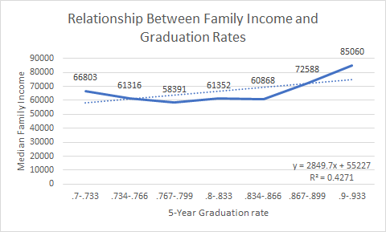
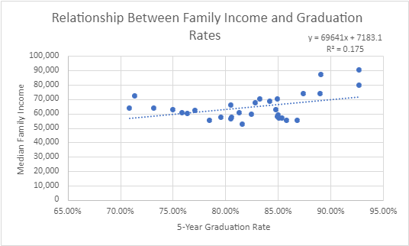

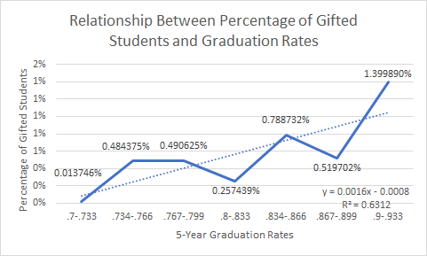
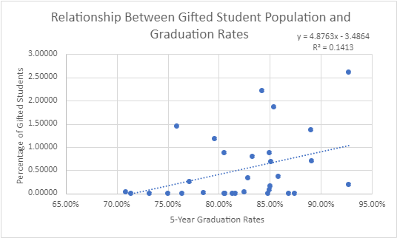

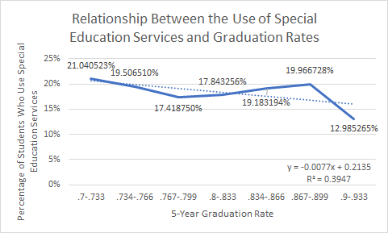
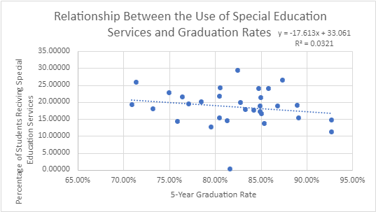

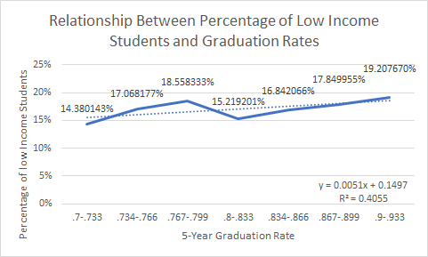
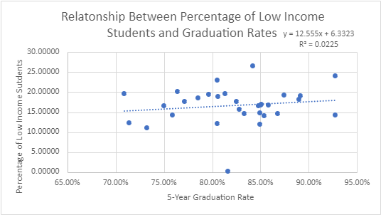

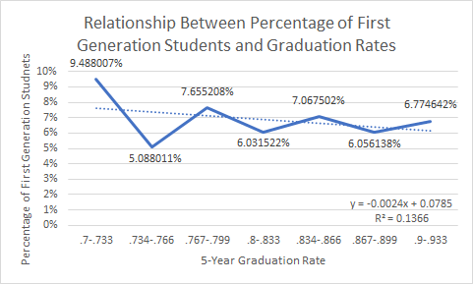
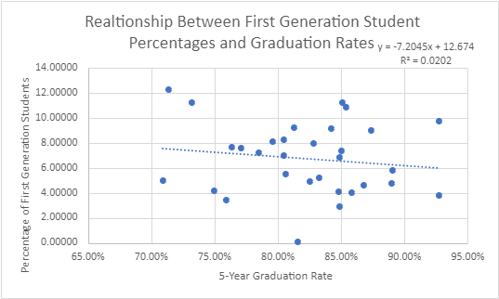

Budget Graphs
 | Transport/Students
0.785 | 924.86581633
0.854 | 803.73961184
0.816 | 858.86921698
0.851 | 531.45076209
0.709 | 1909.0944193
0.874 | 320.64998243
0.759 | 487.34157557
0.85 | 377.15039607
0.927 | 265.6074732
0.805 | 470.69395906
0.764 | 967.14143756
0.849 | 653.35827513
0.732 | 1059.5435685
0.813 | 772.22222222
0.771 | 601.99078529
0.848 | 823.33759189
0.806 | 1223.9688978
0.89 | 560.526394
0.891 | 346.76437
0.75 | 1043.1757938
0.805 | 1238.9106942
0.868 | 955.4740944
0.833 | 383.17898318
0.714 | 1227.7882353
0.842 | 275.75991234
0.825 | 1021.115419
0.858 | 1198.7844958
0.849 | 570.56440221
0.828 | 281.82170196
0.927 | 336.11458046
 | School-funded activities/Students
0.785 | 368.08683673
0.854 | 375.5830735
0.816 | 364.08828452
0.851 | 225.69312127
0.709 | 344.25082956
0.874 | 258.41412608
0.759 | 304.68518658
0.85 | 254.15826277
0.927 | 307.78600306
0.805 | 221.22815776
0.764 | 271.67936403
0.849 | 293.05778925
0.732 | 529.04564315
0.813 | 227.09750567
0.771 | 264.5882887
0.848 | 291.58144487
0.806 | 279.6259688
0.89 | 311.32402437
0.891 | 215.10595102
0.75 | 342.62570041
0.805 | 462.80675422
0.868 | 262.43249177
0.833 | 289.83178983
0.714 | 346.39031142
0.842 | 174.0310864
0.825 | 320.42946615
0.858 | 223.00296022
0.849 | 306.24178131
0.828 | 210.71037351
0.927 | 268.47546561
 | Instruction/Students
0.785 | 10919.775306
0.854 | 10205.891059
0.816 | 9355.506575
0.851 | 9529.7611928
0.709 | 12469.947964
0.874 | 9487.5798721
0.759 | 9649.9096495
0.85 | 9677.9705272
0.927 | 9310.9252833
0.805 | 9822.666001
0.764 | 10049.287844
0.849 | 9711.0017309
0.732 | 14043.153527
0.813 | 11338.662132
0.771 | 9555.1089424
0.848 | 9882.759493
0.806 | 11119.11535
0.89 | 9567.9975634
0.891 | 9417.9799518
0.75 | 11085.241165
0.805 | 14587.663415
0.868 | 11095.141054
0.833 | 9319.5426195
0.714 | 19237.472664
0.842 | 10620.068179
0.825 | 9583.7757232
0.858 | 10104.994857
0.849 | 9437.8500638
0.828 | 9304.9212322
0.927 | 9566.9328267

 | Accomodations/Students
0.785 | 3381.7910204
0.854 | 1782.9090678
0.816 | 1921.0132696
0.851 | 787.37924453
0.709 | 3792.9428356
0.874 | 1831.6667088
0.759 | 1705.7182058
0.85 | 1736.1169626
0.927 | 1634.7924655
0.805 | 1943.1452821
0.764 | 1863.6634647
0.849 | 1669.5333131
0.732 | 3202.9045643
0.813 | 2887.0748299
0.771 | 1849.5726282
0.848 | 2041.1797719
0.806 | 2735.7201812
0.89 | 0
0.891 | 1744.5882502
0.75 | 2363.1901382
0.805 | 3462.4896811
0.868 | 2181.9863886
0.833 | 1772.5004725
0.714 | 7271.4346021
0.842 | 1074.3963313
0.825 | 1778.2284521
0.858 | 1895.7708048
0.849 | 1687.492299
0.828 | 591.79172892
0.927 | 1772.0244753
 | Admin/Students
0.785 | 548.18489796
0.854 | 353.21177219
0.816 | 364.16682606
0.851 | 340.87231279
0.709 | 759.94675716
0.874 | 287.66794574
0.759 | 293.5723709
0.85 | 292.25239006
0.927 | 273.43669219
0.805 | 286.51023465
0.764 | 412.45445512
0.849 | 330.37628302
0.732 | 997.71784232
0.813 | 585.8276644
0.771 | 334.66463913
0.848 | 385.25875792
0.806 | 422.1870156
0.89 | 270.92908495
0.891 | 318.17662733
0.75 | 394.80119537
0.805 | 927.29043152
0.868 | 522.34489572
0.833 | 308.52390852
0.714 | 2160.1979239
0.842 | 340.13229983
0.825 | 406.02445571
0.858 | 318.31692877
0.849 | 315.64708552
0.828 | 259.68056989
0.927 | 315.36973658

Academic Achievement Graphs
OSD Standardized Testing Results
 | Graduation Rate | % G3 Reading | % G3 Writing | % G3 Math | % G6 Reading | % G6 Writing | % G6 Math | % G9 Academic Math | % G9 Applied Math | % Passes OSSLT First Attempt
Algoma District School Board | 0.785 | 0.55783 | 0.47318 | 0.46083 | 0.70704 | 0.68370 | 0.38481 | 0.67714 | 0.35714 | 0.64111
Avon Maitland District School Board | 0.854 | 0.74276 | 0.70586 | 0.59448 | 0.80767 | 0.78867 | 0.47467 | 0.86667 | 0.60778 | 0.74889
Bluewater District School Board | 0.816 | 0.69000 | 0.62000 | 0.52000 | 0.73000 | 0.72000 | 0.36000 | 0.82550 | 0.41875 | 0.74440
District School Board of Niagara | 0.851 | 0.69000 | 0.61500 | 0.52000 | 0.73121 | 0.72242 | 0.36515 | 0.82556 | 0.41875 | 0.74444
District School Board Ontario North East | 0.709 | 0.84844 | 0.83065 | 0.74455 | 0.86785 | 0.86342 | 0.61177 | 0.83412 | 0.57688 | 0.78529
Durham District School Board | 0.874 | 0.45083 | 0.37000 | 0.31583 | 0.63500 | 0.58750 | 0.19167 | 0.68125 | 0.34571 | 0.60750
Grand Erie District School Board | 0.759 | 0.74720 | 0.71430 | 0.61280 | 0.84074 | 0.83676 | 0.50343 | 0.83333 | 0.48278 | 0.77316
Greater Essex County District School Board | 0.85 | 0.61473 | 0.53327 | 0.46855 | 0.70546 | 0.69055 | 0.32509 | 0.75833 | 0.51083 | 0.57769
Halton District School Board | 0.927 | 0.68759 | 0.64759 | 0.54907 | 0.76074 | 0.76463 | 0.44389 | 0.86000 | 0.51571 | 0.70286
Hamilton-Wentworth District School Board | 0.805 | 0.66846 | 0.58756 | 0.47359 | 0.71478 | 0.72105 | 0.34060 | 0.80583 | 0.44000 | 0.72333
Hastings & Prince Edward District School Board | 0.764 | 0.60807 | 0.53032 | 0.44194 | 0.68000 | 0.64143 | 0.26679 | 0.75143 | 0.40286 | 0.67000
Kawartha Pine Ridge District School Board | 0.849 | 0.74279 | 0.66607 | 0.57508 | 0.78079 | 0.76762 | 0.39500 | 0.82462 | 0.49308 | 0.74308
Keewatin-Patricia District School Board | 0.732 | 0.64125 | 0.58875 | 0.51375 | 0.76667 | 0.75778 | 0.45111 | 0.63500 | 0.41000 | 0.52000
Lakehead District School Board | 0.813 | 0.70273 | 0.66182 | 0.50682 | 0.72950 | 0.70800 | 0.30600 | 0.82333 | 0.43667 | 0.79333
Lambton Kent District School Board | 0.771 | 0.70347 | 0.63592 | 0.52959 | 0.75900 | 0.76740 | 0.34900 | 0.72091 | 0.38250 | 0.66917
Limestone District School Board | 0.848 | 0.66553 | 0.53342 | 0.44026 | 0.69667 | 0.67024 | 0.29810 | 0.77000 | 0.45000 | 0.71222
Near North District School Board | 0.806 | 0.68909 | 0.61591 | 0.37091 | 0.79048 | 0.74667 | 0.27762 | 0.70333 | 0.38857 | 0.63857
Ottawa-Carleton District School Board | 0.89 | 0.72827 | 0.64337 | 0.54755 | 0.79239 | 0.79217 | 0.45565 | 0.83783 | 0.47417 | 0.81696
Peel District School Board | 0.891 | 0.73337 | 0.67401 | 0.55843 | 0.81569 | 0.83382 | 0.47882 | 0.83594 | 0.37971 | 0.78629
Rainbow District School Board | 0.75 | 0.70667 | 0.65000 | 0.53074 | 0.75840 | 0.71800 | 0.36720 | 0.80000 | 0.35125 | 0.67556
Rainy River District School Board | 0.805 | 0.64714 | 0.59857 | 0.65571 | 0.75000 | 0.77429 | 0.37714 | 0.83000 | 0.42500 | 0.71333
Renfrew County District School Board | 0.868 | 0.73063 | 0.68813 | 0.58063 | 0.84882 | 0.77471 | 0.46118 | 0.79143 | 0.44571 | 0.71143
Simcoe County District School Board | 0.833 | 0.69435 | 0.61153 | 0.55209 | 0.79209 | 0.76407 | 0.43535 | 0.76429 | 0.42143 | 0.77214
Superior-Greenstone District School Board | 0.714 | 0.67000 | 0.41500 | 0.45500 | 0.71000 | 0.67000 | 0.37667 | 0.63000 | 0.57667 | 0.52800
Thames Valley District School Board | 0.842 | 0.62059 | 0.54500 | 0.51406 | 0.72101 | 0.70349 | 0.42923 | 0.77654 | 0.44720 | 0.65296
Toronto District School Board | 0.825 | 0.75333 | 0.71806 | 0.60235 | 0.81054 | 0.82615 | 0.51955 | 0.70639 | 0.23477 | 0.77487
Trillium Lakelands District School Board | 0.858 | 0.65273 | 0.55546 | 0.50758 | 0.74206 | 0.70794 | 0.38118 | 0.88000 | 0.55143 | 0.65375
Upper Canada District School Board | 0.849 | 0.73628 | 0.65157 | 0.51941 | 0.79482 | 0.78500 | 0.36196 | 0.75476 | 0.42368 | 0.70909
Upper Grand District School Board | 0.828 | 0.70339 | 0.64077 | 0.50277 | 0.80885 | 0.78508 | 0.45393 | 0.89000 | 0.66455 | 0.76636
Waterloo Region District School Board | 0.927 | 0.68418 | 0.61275 | 0.51341 | 0.77912 | 0.77451 | 0.45231 | 0.85313 | 0.51313 | 0.76625
York Region District School Board |  | 0.79000 | 0.76513 | 0.67076 | 0.85590 | 0.87977 | 0.59775 | 0.87242 | 0.45697 | 0.87879
Math Standardized Testing Results
 | % G3 Math | % G6 Math | % G9 Academic Math | % G9 Applied Math
Algoma DSB | 0.46083 | 0.38481 | 0.67714 | 0.35714
Avon Maitland DSB | 0.59448 | 0.47467 | 0.86667 | 0.60778
Bluewater DSB | 0.52000 | 0.36000 | 0.82550 | 0.41875
DSB of Niagara | 0.52000 | 0.36515 | 0.82556 | 0.41875
DSB of Ontario North East | 0.74455 | 0.61177 | 0.83412 | 0.57688
Durham DSB | 0.31583 | 0.19167 | 0.68125 | 0.34571
Grand Erie DSB | 0.61280 | 0.50343 | 0.83333 | 0.48278
Greater Essex County DSB | 0.46855 | 0.32509 | 0.75833 | 0.51083
Halton DSB | 0.54907 | 0.44389 | 0.86000 | 0.51571
Hamilton-Wentworth DSB | 0.47359 | 0.34060 | 0.80583 | 0.44000
Hastings & Prince Edward DSB | 0.44194 | 0.26679 | 0.75143 | 0.40286
Kawartha Pine Ridge DSB | 0.57508 | 0.39500 | 0.82462 | 0.49308
Keewatin-Patricia DSB | 0.51375 | 0.45111 | 0.63500 | 0.41000
Lakehead DSB | 0.50682 | 0.30600 | 0.82333 | 0.43667
Lambton Kent DSB | 0.52959 | 0.34900 | 0.72091 | 0.38250
Limestone DSB | 0.44026 | 0.29810 | 0.77000 | 0.45000
Near North DSB | 0.37091 | 0.27762 | 0.70333 | 0.38857
Ottawa-Carleton DSB | 0.54755 | 0.45565 | 0.83783 | 0.47417
Peel DSB | 0.55843 | 0.47882 | 0.83594 | 0.37971
Rainbow DSB | 0.53074 | 0.36720 | 0.80000 | 0.35125
Rainy River DSB | 0.65571 | 0.37714 | 0.83000 | 0.42500
Renfrew County DSB | 0.58063 | 0.46118 | 0.79143 | 0.44571
Simcoe County DSB | 0.55209 | 0.43535 | 0.76429 | 0.42143
Superior-Greenstone DSB | 0.45500 | 0.37667 | 0.63000 | 0.57667
Thames Valley DSB | 0.51406 | 0.42923 | 0.77654 | 0.44720
Toronto DSB | 0.60235 | 0.51955 | 0.70639 | 0.23477
Trillium Lakelands DSB | 0.50758 | 0.38118 | 0.88000 | 0.55143
Upper Canada DSB | 0.51941 | 0.36196 | 0.75476 | 0.42368
Upper Grand DSB | 0.50277 | 0.45393 | 0.89000 | 0.66455
Waterloo Region DSB | 0.51341 | 0.45231 | 0.85313 | 0.51313
York Region DSB | 0.67076 | 0.59775 | 0.87242 | 0.45697

Literacy Standardized Testing Results
 | % G3 Reading | % G3 Writing | % G6 Reading | % G6 Writing | % Passes OSSLT First Attempt
Algoma DSB | 0.55783 | 0.47318 | 0.70704 | 0.68370 | 0.64111
Avon Maitland DSB | 0.74276 | 0.70586 | 0.80767 | 0.78867 | 0.74889
Bluewater DSB | 0.69000 | 0.62000 | 0.73000 | 0.72000 | 0.74440
DSB of Niagara | 0.69000 | 0.61500 | 0.73121 | 0.72242 | 0.74444
DSB of Ontario North East | 0.84844 | 0.83065 | 0.86785 | 0.86342 | 0.78529
Durham DSB | 0.45083 | 0.37000 | 0.63500 | 0.58750 | 0.60750
Grand Erie DSB | 0.74720 | 0.71430 | 0.84074 | 0.83676 | 0.77316
Greater Essex County DSB | 0.61473 | 0.53327 | 0.70546 | 0.69055 | 0.57769
Halton DSB | 0.68759 | 0.64759 | 0.76074 | 0.76463 | 0.70286
Hamilton-Wentworth DSB | 0.66846 | 0.58756 | 0.71478 | 0.72105 | 0.72333
Hastings & Prince Edward DSB | 0.60807 | 0.53032 | 0.68000 | 0.64143 | 0.67000
Kawartha Pine Ridge DSB | 0.74279 | 0.66607 | 0.78079 | 0.76762 | 0.74308
Keewatin-Patricia DSB | 0.64125 | 0.58875 | 0.76667 | 0.75778 | 0.52000
Lakehead DSB | 0.70273 | 0.66182 | 0.72950 | 0.70800 | 0.79333
Lambton Kent DSB | 0.70347 | 0.63592 | 0.75900 | 0.76740 | 0.66917
Limestone DSB | 0.66553 | 0.53342 | 0.69667 | 0.67024 | 0.71222
Near North DSB | 0.68909 | 0.61591 | 0.79048 | 0.74667 | 0.63857
Ottawa-Carleton DSB | 0.72827 | 0.64337 | 0.79239 | 0.79217 | 0.81696
Peel DSB | 0.73337 | 0.67401 | 0.81569 | 0.83382 | 0.78629
Rainbow DSB | 0.70667 | 0.65000 | 0.75840 | 0.71800 | 0.67556
Rainy River DSB | 0.64714 | 0.59857 | 0.75000 | 0.77429 | 0.71333
Renfrew County DSB | 0.73063 | 0.68813 | 0.84882 | 0.77471 | 0.71143
Simcoe County DSB | 0.69435 | 0.61153 | 0.79209 | 0.76407 | 0.77214
Superior-Greenstone DSB | 0.67000 | 0.41500 | 0.71000 | 0.67000 | 0.52800
Thames Valley DSB | 0.62059 | 0.54500 | 0.72101 | 0.70349 | 0.65296
Toronto DSB | 0.75333 | 0.71806 | 0.81054 | 0.82615 | 0.77487
Trillium Lakelands DSB | 0.65273 | 0.55546 | 0.74206 | 0.70794 | 0.65375
Upper Canada DSB | 0.73628 | 0.65157 | 0.79482 | 0.78500 | 0.70909
Upper Grand DSB | 0.70339 | 0.64077 | 0.80885 | 0.78508 | 0.76636
Waterloo Region DSB | 0.68418 | 0.61275 | 0.77912 | 0.77451 | 0.76625
York Region DSB | 0.79000 | 0.76513 | 0.85590 | 0.87977 | 0.87879

